Sheet1
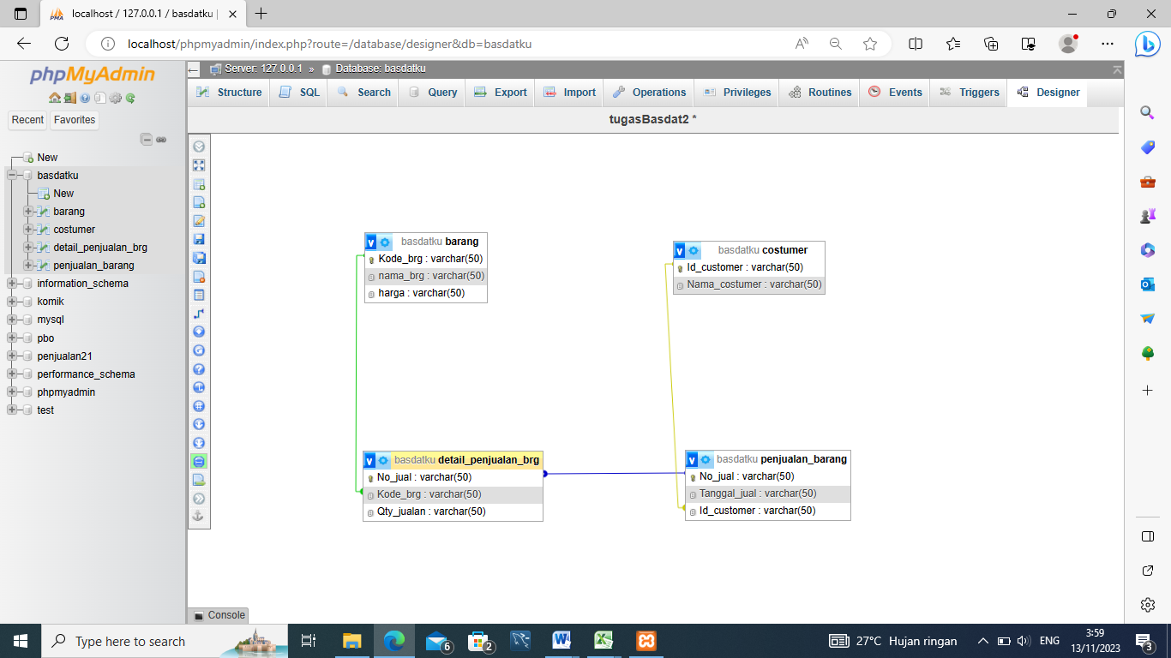
1NF
jual
no_jual | tgl_jual | kode_brg | nama_brg | harga | id_customer | nama_cutomer | qty_penjualan
j001 | 2020-03-02 | b001 | Lemari | 13000000 | c001 | Ryan | 1
j001 | 2020-12-02 | b002 | kulkas | 23000000 | c001 | Ryan | 2
j002 | 02/13/2020 | b003 | Lemari | 13000000 | c002 | Mozes | 1

2NF

Barang |  |  |  |  | Customer
kode_brng | nama_brng | Harga |  |  | id_customer | nama_customer
b001 | Lemari | 13000000 |  |  | c001 | Ryan
b002 | kulkas | 23000000 |  |  | c002 | Mozes
b003 | Lemari | 13000000 |  |  | Pk = id_customer | Mozes
Pk = kode_brng |  |  |  |  | Pk = id_customer

Penjualan_brg
no_jual | tgl_jual | kode_brg | id_customer | qty_jual
j001 | 2020-03-02 | b001 | c001 | 1
j001 | 2020-12-02 | b002 | c001 | 2
j002 | 02/13/2020 | b003 | c002 | 1

Pk : tidak bisa no_jual karena tidak unik
Fk : kode_brg & id_customer

3NF
Barang |  |  |  |  | customer
kode_brng | nama_brng | Harga |  |  | id_customer | nama_customer
b001 | Lemari | 13000000 |  |  | c001 | Ryan
b002 | kulkas | 23000000 |  |  | c002 | Mozes
b001 | Lemari | 13000000 |  |  | Pk : id_customer | Mozes
Pk : kode_brng

 |  |  | Penjualan Barang
 |  |  | no_jual | tgl_jual | id_customer
 |  |  | j001 | 2020-03-02 | c001
 |  |  | j002 | 02/13/2020 | c002

Detail_penjualan_brg
no_jual | kode_brg | qty_jual
j001 | b001 | 1
j001 | b002 | 2
j002 | b001 | 1

